Script
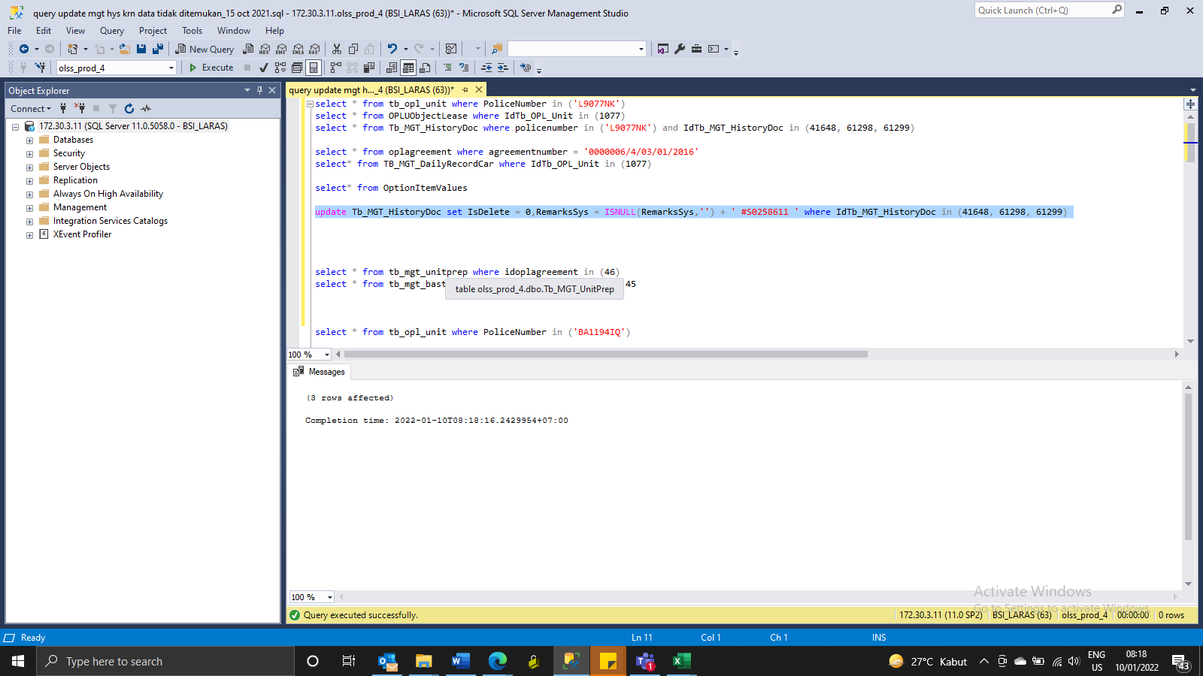
update Tb_MGT_HistoryDoc set IsDelete = 0,RemarksSys = ISNULL(RemarksSys,'') + ' #S0258611 ' where IdTb_MGT_HistoryDoc in (41648, 61298, 61299)

SS
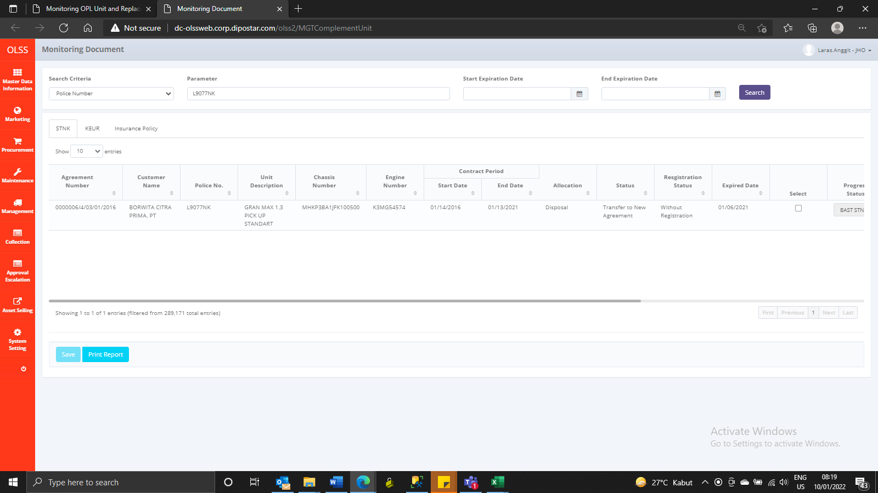
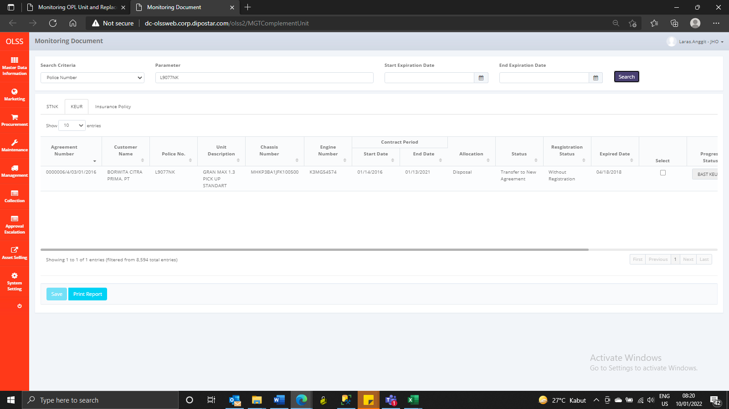
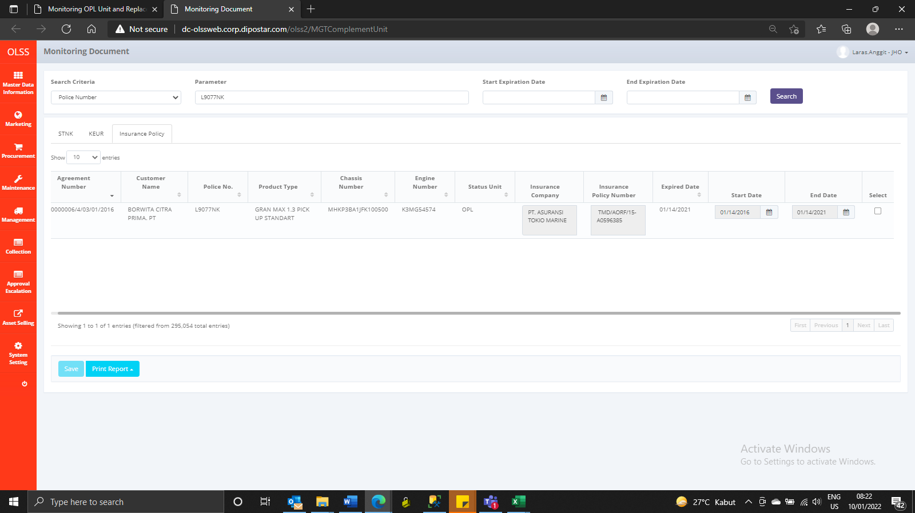
Before



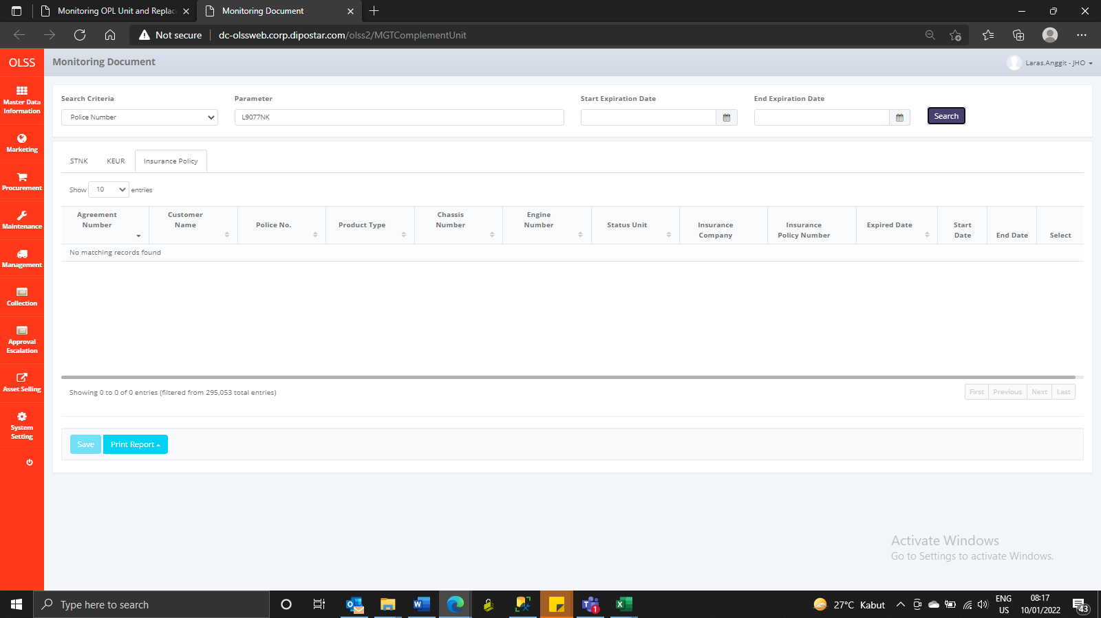

After

